Sheet7
Timeline | Gross domestic product per head Refencerce 2015 IHXW | Forecast(Gross domestic product per head Refencerce 2015 IHXW) | Lower Confidence Bound(Gross domestic product per head Refencerce 2015 IHXW) | Upper Confidence Bound(Gross domestic product per head Refencerce 2015 IHXW)
Oct-16 | 7408
Jan-17 | 7391
Apr-17 | 7398
Jul-17 | 7420
Oct-17 | 7426.5
Jan-18 | 7433
Apr-18 | 7439 | 7439 | 7439.00 | 7439.00
Jul-18 |  | 7446.4653599 | 7425.37 | 7467.56
Oct-18 |  | 7453.7904162 | 7425.40 | 7482.18

 | Gross domestic product per head Refencerce 2015 IHXW | Forecast(Gross domestic product per head Refencerce 2015 IHXW) | Lower Confidence Bound(Gross domestic product per head Refencerce 2015 IHXW) | Upper Confidence Bound(Gross domestic product per head Refencerce 2015 IHXW)
 | 7408
 | 7391
 | 7398
 | 7420
 | 7426.5
 | 7433
 | 7439 | 7439 | 7439 | 7439
 |  | 7446.4653599 | 7425.3738214 | 7467.5568984
 |  | 7453.7904162 | 7425.4005395 | 7482.180293

Sheet8
Timeline | Tesla Model X 75D | Forecast(Tesla Model X 75D) | Lower Confidence Bound(Tesla Model X 75D) | Upper Confidence Bound(Tesla Model X 75D)
Oct-16 | 268
Jan-17 | 96
Apr-17 | 184
Jul-17 | 363
Oct-17 | 517
Jan-18 | 671
Apr-18 | 785 | 785 | 785.00 | 785.00
Jul-18 |  | 892.11816954 | 668.92 | 1115.32
Oct-18 |  | 1000.3275408 | 699.89 | 1300.76
Jan-19 |  | 1108.536912 | 746.88 | 1470.19
Apr-19 |  | 1216.7462833 | 802.72 | 1630.77

 | Tesla Model X 75D | Forecast(Tesla Model X 75D) | Lower Confidence Bound(Tesla Model X 75D) | Upper Confidence Bound(Tesla Model X 75D)
 | 268
 | 96
 | 184
 | 363
 | 517
 | 671
 | 785 | 785 | 785 | 785
 |  | 892.11816954 | 668.91653933 | 1115.3197997
 |  | 1000.3275408 | 699.89109901 | 1300.7639826
 |  | 1108.536912 | 746.88104389 | 1470.1927802
 |  | 1216.7462833 | 802.71995366 | 1630.7726129

Car Sector
Column1 | Price | Battery Capacity | Real Range | Efficiency
Tesaa Model X 75 D | £78,000 | 75.0 kWh | 210 mi | 345 Wh/mi
BMW i3 120Ah | £31,675 | 37.9 kWh | 145 mi | 260 Wh/mi
I Pace | £59,995 | 85.0 kWh | 235 mi | 360 Wh/mi
Tesla model X P110D | £95,150 | 94.0 KWh | 260 mi | 360 Wh/mi

 | Month | UK Real net national disposable income per capita CVM SA | Gross domestic product per head Refencerce 2015 IHXW | Inflatipon Rate | Petrol Cost ppl | Diesel Rate ppl | Car Registrations | Battery Electric Vehicles | Tesla Model X 75D | Tesla model X P100D | Ipace | BMW
 | Oct-Dec 2016 | 6430.0 | 7379 | 1.2 | 115.6 | 117.6 | 542291 | 2157 | 2 | 8 |  | 1660
 | Jan-Mar 2017 | 6499.0 | 7391 | 2.1 | 119.8 | 122 | 820016 | 4634 | 96 | 120 |  | 1895
 | Apr-June 2017 | 6398 | 7398 | 2.8 | 117.1 | 118.4 | 581795 | 3060 | 184 | 161 |  | 2133
 | Jul-Sep 2017 | 6446 | 7420 | 2.8 | 117 | 117.8 | 664610 | 3433 | 363 | 205 |  | 2309
 | Oct-Dec 2017 | 6433 | 7437 | 3 | 119.6 | 122 | 474206 | 2470 | 534 | 246 |  | 2572
 | Jan-Mar 2018 | 6489 | 7433 | 2.7 | 121.1 | 123.8 | 718489 | 3894 | 671 | 274 |  | 2681
 | Apr-June 2018 | 6478 | 7439 | 2.4 | 125.2 | 128.1 | 595505 | 3547 | 785 | 301 | 46 | 2779
 | Jul-18 |  |  | 2.5 | 128.4 | 131.6 | 163898 | 881
 | Aug-18 |  |  | 2.6 | 129.5 | 132.3 | 94094 | 659
 | Sep-18 |  |  | 2.4 | 131.3 | 134.4 | 338834 | 2290
 | Oct-18 |  |  | 2.2 | 131.6 | 136.7 | 153599 | 1256

Against fuel cost
 | Tesla Model X 75D | Tesla model X P100D | BMW | #REF! | Petrol Cost ppl | Diesel Rate ppl
Oct-Dec 2016 | 2 | 8 | 1660 | 1 | 115.6 | 117.6
Jan-Mar 2017 | 96 | 120 | 1895 |  | 119.8 | 122
Apr-June 2017 | 184 | 161 | 2133 |  | 117.1 | 118.4
Jul-Sep 2017 | 363 | 205 | 2309 |  | 117 | 117.8
Oct-Dec 2017 | 534 | 246 | 2572 |  | 119.6 | 122
Jan-Mar 2018 | 671 | 274 | 2681 |  | 121.1 | 123.8
Apr-June 2018 | 785 | 301 | 2779 |  | 125.2 | 128.1
 |  | Gross domestic product per head Refencerce 2015 IHXW | Tesla Model X 75D
 | Oct-16 | 7379 | 2
 | Jan-17 | 7391 | 96 |  |  |  |  | 10
 | Apr-17 | 7398 | 184
 | Jul-17 | 7420 | 363
 | Oct-16 | 7437 | 534
 | Jan-18 | 7433 | 671
 | Apr-18 | 7439 | 785

Graphs
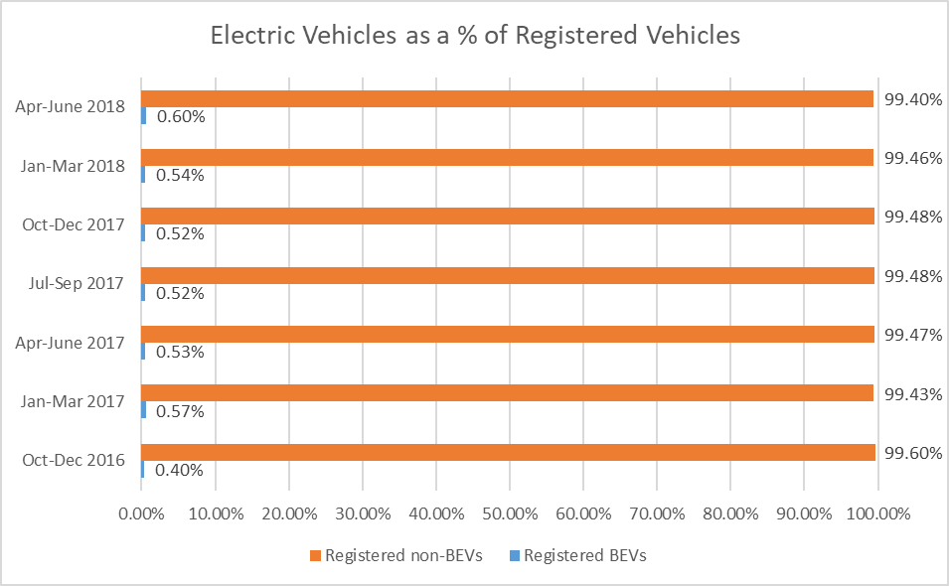
Cost of petrol and diesel against percentage on elctric car sold
 | Diesel Rate ppl | Petrol Cost ppl | Electric car percentage
Oct-16 | 116.9 | 115.1 | 0.21868478309
Nov-16 | 118.4 | 116.6 | 0.32862396185
Dec-16 | 117.5 | 115.1 | 0.65048140118
Jan-17 | 122 | 119.5 | 0.57858435875
Feb-17 | 122.3 | 120.1 | 0.58112254106
Mar-17 | 121.8 | 119.7 | 0.55856185881
Apr-17 | 120.5 | 118.7 | 0.43925405718
May-17 | 117.4 | 116.3 | 0.49714116984
Jun-17 | 117.4 | 116.4 | 0.60216714451
Jul-17 | 115.4 | 114.7 | 0.53087402853
Aug-17 | 117.4 | 116.5 | 0.62268618448
Sep-17 | 120.5 | 119.8 | 0.49205716029
Oct-17 | 120.3 | 118 | 0.42480024274
Nov-17 | 122.6 | 120.2 | 0.50996386227
Dec-17 | 123.2 | 120.7 | 0.63224308566
Jan-18 | 124.4 | 121.7 | 0.38810622498
Feb-18 | 124.4 | 121.9 | 0.43932924943
Mar-18 | 122.6 | 119.7 | 0.6125690564
Apr-18 | 124.2 | 121.4 | 0.55326929147
May-18 | 128.3 | 125.5 | 0.57046753422
Jun-18 | 131.7 | 128.8 | 0.64653429526
Jul-18 | 131.6 | 128.4 | 0.53752943904
Aug-18 | 132.3 | 129.5 | 0.70036346632
Sep-18 | 134.4 | 131.3 | 0.67584717
Oct-18 | 136.7 | 131.6 | 0.81771365699
 |  |  | 0
 |  |  | 116.9
 |  |  | 118.4
 |  |  | 117.5
 |  |  | 122
 |  |  | 122.3
 |  |  | 121.8
 |  |  | 120.5
 |  |  | 117.4
 |  |  | 117.4
 |  |  | 115.4
 |  |  | 117.4
 |  |  | 120.5
 |  |  | 120.3
 |  |  | 122.6
 |  |  | 123.2
 |  |  | 124.4
 |  |  | 124.4
 |  |  | 122.6
 |  |  | 124.2
 |  |  | 128.3
 |  |  | 131.7
 |  |  | 131.6
 |  |  | 132.3
 |  |  | 134.4
...

 | incline for electric cars due to government plug in grant

Inflation Rate
 | Tesla Model X 75D | Tesla model X P100D |  | #REF! | Inflatipon Rate
Oct-Dec 2016 | 2 | 8 | 1 | 1 | 1.2
Jan-Mar 2017 | 96 | 120 |  |  | 2.1
Apr-June 2017 | 184 | 161 |  |  | 2.8
Jul-Sep 2017 | 363 | 205 |  |  | 2.8
Oct-Dec 2017 | 534 | 246 |  |  | 3
Jan-Mar 2018 | 671 | 274 |  |  | 2.7
Apr-June 2018 | 785 | 301 |  |  | 2.4

disposable
 | Tesla Model X 75D | Tesla model X P100D | #REF! | BMW | UK Real net national disposable income per capita CVM SA
Oct-Dec 2016 | 2 | 8 | 1 | 1660 | 6430.0
Jan-Mar 2017 | 96 | 120 |  | 1895 | 6499.0
Apr-June 2017 | 184 | 161 |  | 2133 | 6398.0
Jul-Sep 2017 | 363 | 205 |  | 2309 | 6446.0
Oct-Dec 2017 | 534 | 246 |  | 2572 | 6433.0
Jan-Mar 2018 | 671 | 274 |  | 2681 | 6489.0
Apr-June 2018 | 785 | 301 |  | 2779 | 6478.0
this graph does not take finance into consideration

GDP against
 | Tesla Model X 75D | Tesla model X P100D | BMW | Gross domestic product per head Refencerce 2015 IHXW | #REF!
Oct-Dec 2016 | 2 | 8 | 1660 | 7379 | 1
Jan-Mar 2017 | 96 | 120 | 1895 | 7391
Apr-June 2017 | 184 | 161 | 2133 | 7398
Jul-Sep 2017 | 363 | 205 | 2309 | 7420
Oct-Dec 2017 | 534 | 246 | 2572 | 7437
Jan-Mar 2018 | 671 | 274 | 2681 | 7433
Apr-June 2018 | 785 | 301 | 2779 | 7439

Against fuel cost
 | Tesla Model X 75D | Tesla model X P100D | BMW | #REF! | Petrol Cost ppl | Diesel Rate ppl
Oct-Dec 2016 | 2 | 8 | 1660 | 1 | 115.6 | 117.6
Jan-Mar 2017 | 96 | 120 | 1895 |  | 119.8 | 122
Apr-June 2017 | 184 | 161 | 2133 |  | 117.1 | 118.4
Jul-Sep 2017 | 363 | 205 | 2309 |  | 117 | 117.8
Oct-Dec 2017 | 534 | 246 | 2572 |  | 119.6 | 122
Jan-Mar 2018 | 671 | 274 | 2681 |  | 121.1 | 123.8
Apr-June 2018 | 785 | 301 | 2779 |  | 125.2 | 128.1
 |  | dip may be the year the government started the diesel intiatives

